Objective
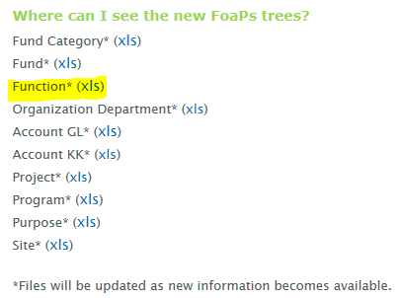
NT752 Function Mapping
as of 08/31/2018

Situation: | The NACUBO Function chartfield values are utilized inconsistently across campus; which led to differences in reporting of data and delays in processes. There were also inconsistent values assigned from conversion requiring data clean-up.

Objective: | This guide will help identify your chartstring's primary function code. Accurate and consistent expense classification is essential to UNT’s ability to measure and benchmark itself against peer institutions, drive cost efficiency, and provide reliable internal and external reporting. The NACUBO function mapping spreadsheet will provide steps on how to find a NACUBO function for your chartstring. The mapping was evaluated as part of a high level review and should utilize the function best suited to follow the nature of the transaction associated with your chartstring. Information was classified based on the following tabs: (1) By Org Dept - function based on organizational department, (2) By Funded From Fees - function based on funding funded from fees, (3) Function Exp Accts - function based on expenditure account - culmination of steps for current chartstrings. Chartstring examples are provided in the "Chartstring Examples" tab. Please note this is not an extensive list.

Disclosure: | The primary function value can change depending on the nature of the spend and as organizational departments can serve a variety of functions.

Follow steps below to find your function (or) Click on the link below for a visual map of the steps:

Visual Map: | [Click Here] Function Decision Tree: Steps to Find Your Function

Step-by-Step:
 | (1) Agency Fund Cat 800 must use Independent Operations Function 800. These chartstrings should never use any accounts beginning with a 6X, 7X, or 8X. These chartstrings only use accounts with a 4X or 5X.
 | (2) Sponsored Projects must use the speedtype function assigned. These projects generally have the following characteristics: Fund Cats 400 or 106, Project ID begins with a "G", and/or has PC_BU of NGRCT.
 | (3) Scholarship Expense accounts must use Scholarship Function 630 or the speedtype function associated with a sponsored project. See "(3) Function Exp Accts" for list of accounts.
 | (4) Auxiliary Fund Cats 120/121 must use Auxiliary Function 700
 | (5) Nature of specific funds - i.e., Gift restrictions or "(2) By Funded From Fees"
 | (6) Function mapped by Organizational Department. See "(1) By Org Dept" for a list of organizational departments.
 | Note: Capital Projects Function 850 should only be used for back-office accounting purposes.

List of function values: | A current list of NACUBO function values can be found at the following COA FIT Website.
 | http://fit.untsystem.edu/coa

